Task №1
Task 1: Execute a request to https://www.makeup.com.ua/ and analyze its method and status.
 |  | Description
Method | GET | This method is used to retrieve data from the server.
Status code | 301 | The resource has been permanently moved to a new URL.
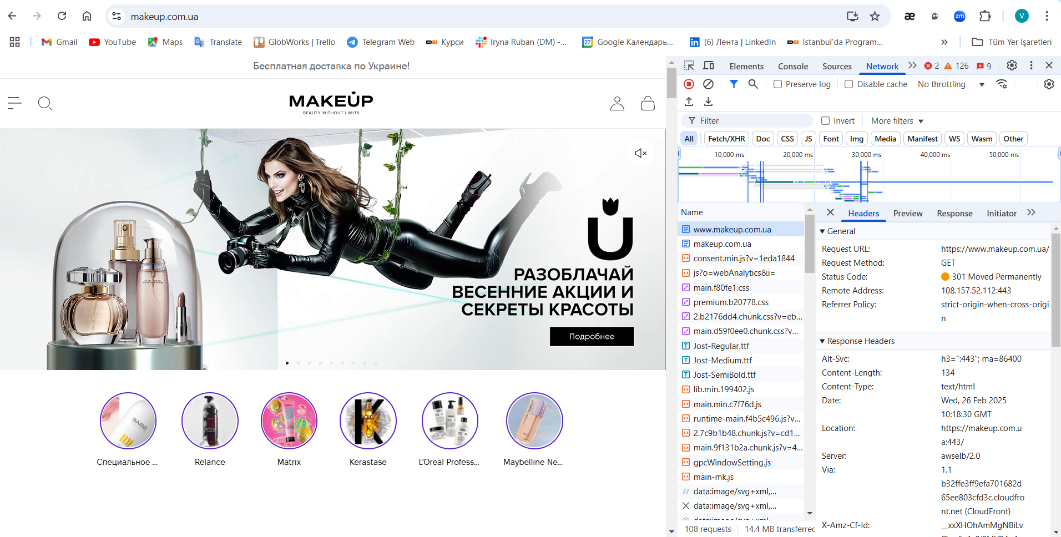 Screenshot

Task №2
Task 2: Execute a request to https://makeup.com.ua/ and analyze its method and status.
 |  | Description
Method | GET | This method is used to retrieve data from the server.
Status code | 200 | The request has been successfully executed.
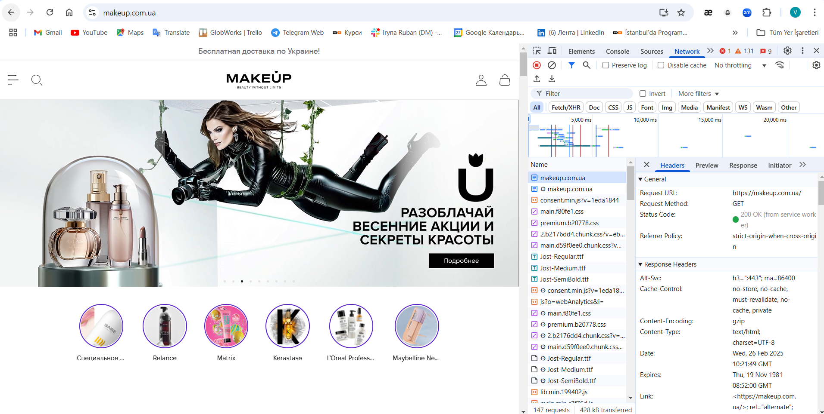 Screenshot

Task №3
Task 3: Add any product to the cart and analyze the method and status of the request to /cart/.
 |  | Description
Method | PUT | This method is used to update an existing resource on the server or create a new one if it doesn't exist.
Status code | 200 | The request has been successfully executed.
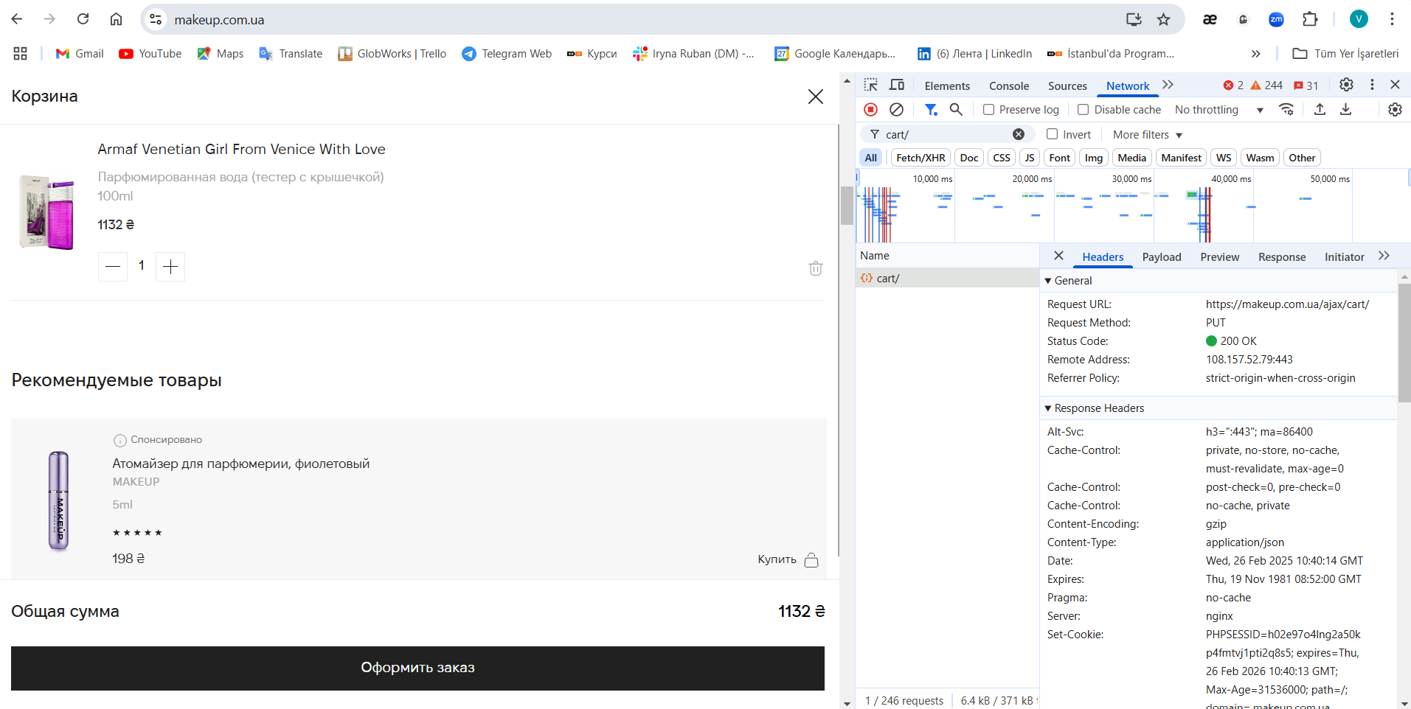 Screenshot

Task №4
Task 4: Remove the added product from the cart and analyze the method and status of the second request to /cart/.
 |  | Description
Method | DELETE | This method is used to delete a resource on the server.
Status code | 200 | The request has been successfully executed.
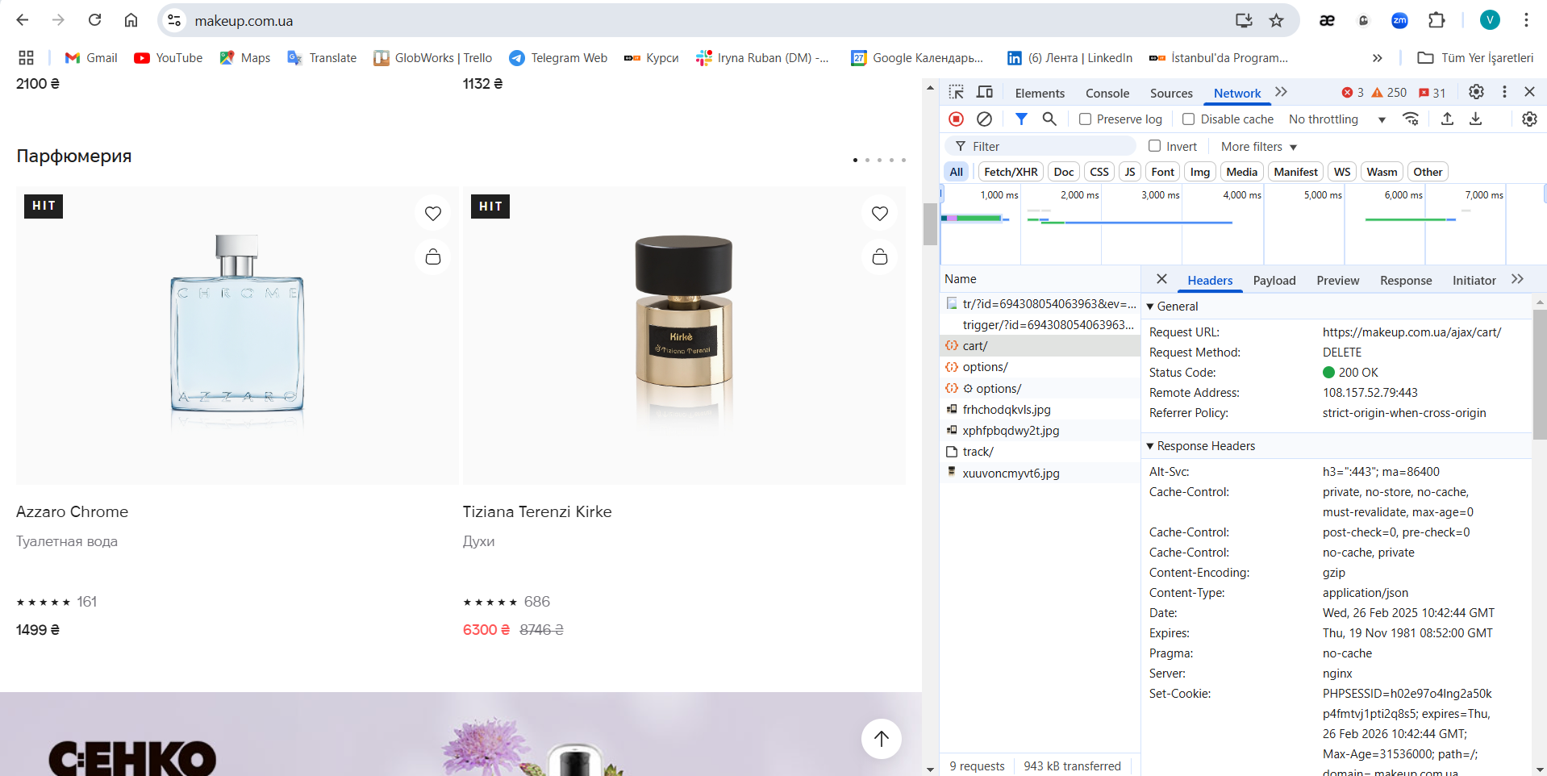 Screenshot

Task №5
Task 5: Execute a request to https://www.makeup.ua/ and analyze its method and status.
 |  | Description
Method | GET | This method is used to retrieve data from the server.
Status code | 504 | The web server failed to return the required HTTP response within the set timeout limit.
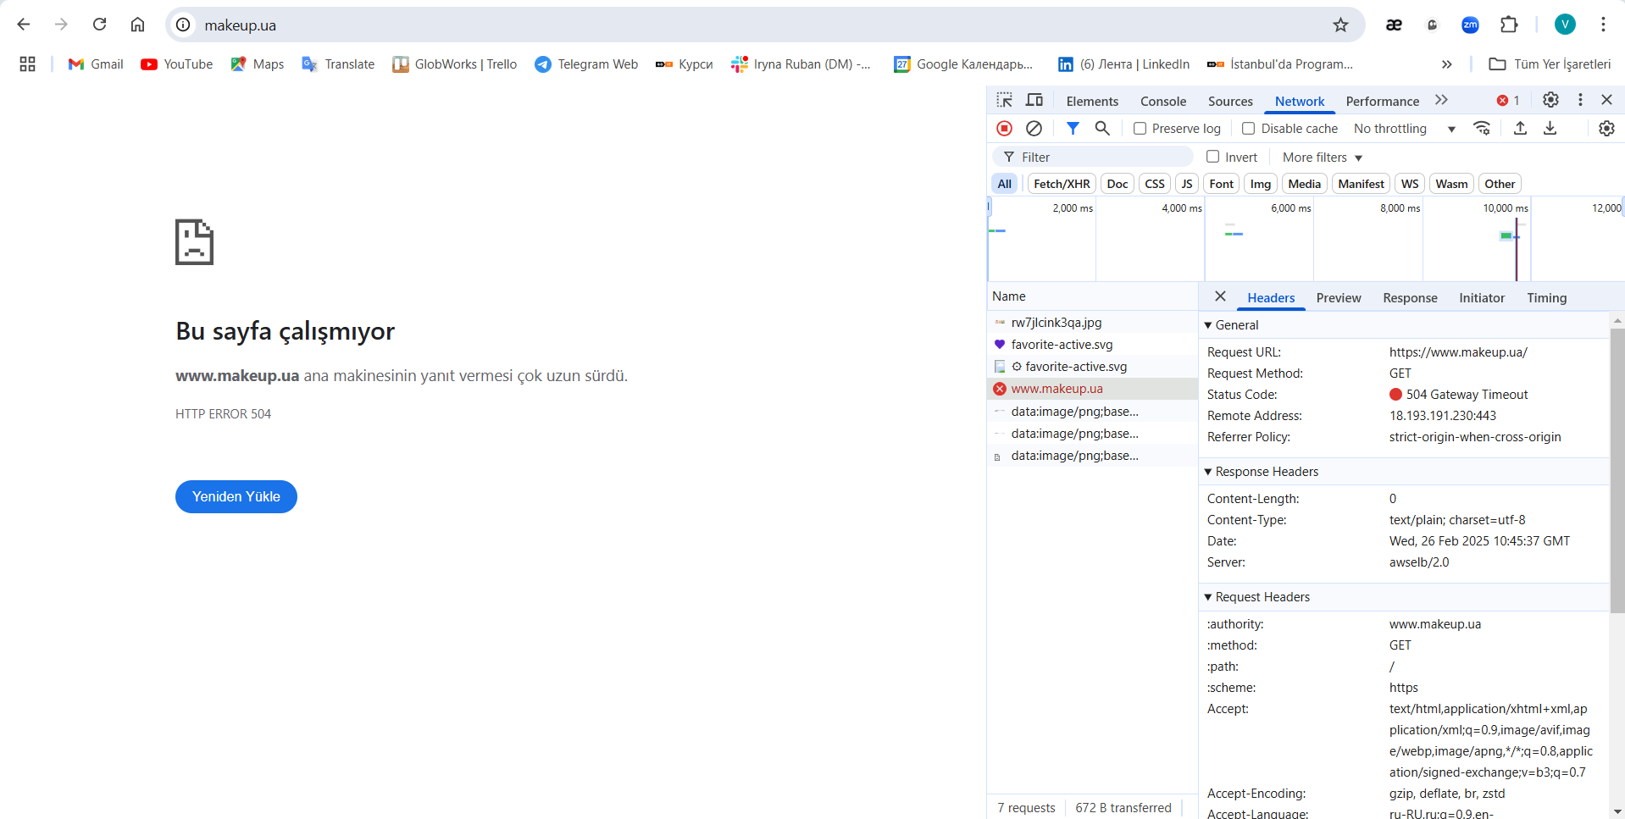 Screenshot

Task №6
Task 6: Execute a request to https://makeup.com.ua/ua/product/00000/ and analyze the method and status of the request to 00000/.
 |  | Description
Method | GET | This method is used to retrieve data from the server.
Status code | 404 | The resource was not found on the server.
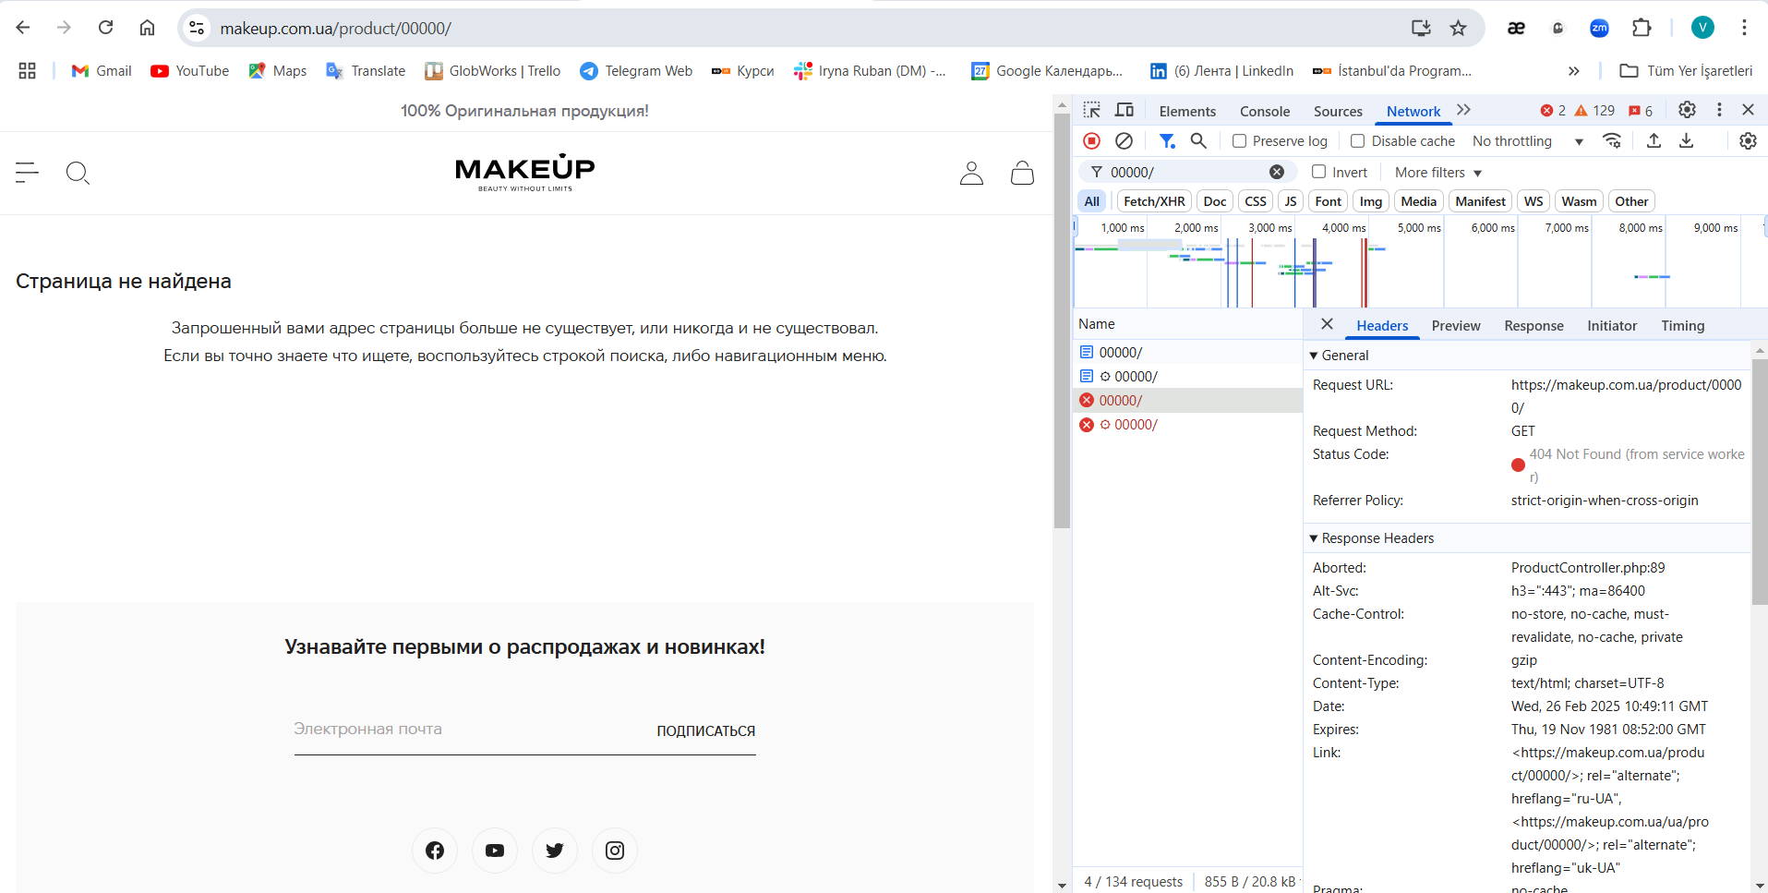 Screenshot

Task №7
Task 7: Execute a request to https://graph.makeup.com.ua/chat/user/me and analyze the method and status of the request 'me'.
 |  | Description
Method | GET | This method is used to retrieve data from the server.
Status code | 401 | The client does not have access to the resource, authentication is required.
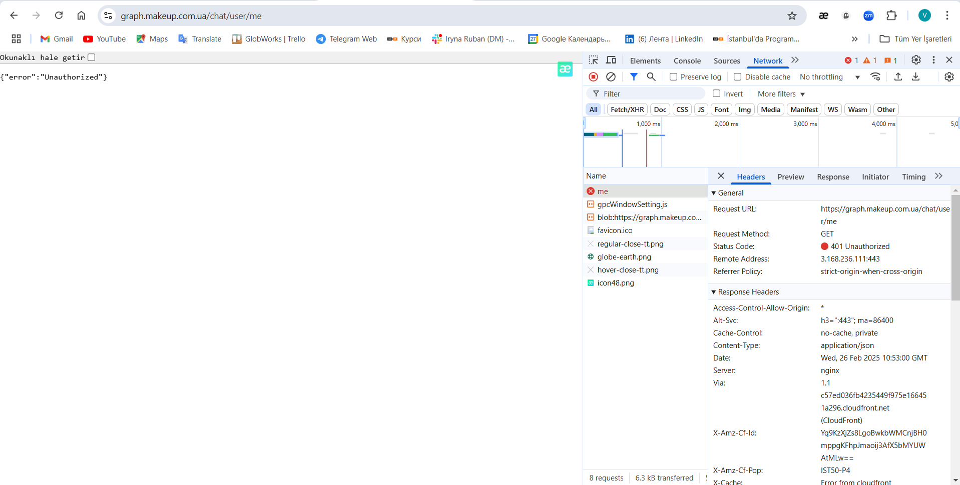 Screenshot

